income source
 | Income sources | Max
1 | 3 | 3
7 | 2 | 2
4 | 1 | 1
2 | 8 | 8
6 | 6 | 6
5 | 9 | 9
Income Sources
Geographically
Sales Process
Project Status

Company Website
0%
Average
Monthly Income
60074
∑
Income sources
14%
8%
Software Metered License
1 225
22%
56 987
Floating License
16%
4%
Facebook Page
This dashboard shows us the company's revenue dependencies over the period 2020-2024
100 400
28 379
Advertising

 |  | Percentage
 | 1 | 80%
 | 1 | 20%
 | 1
 | 1
 | 1
 | 1
 | 1
 | 1
 | 1
 | 1
 | 1
 | 1
 | 1
 | 1
 | 1
 | 1
 | 1
 | 1
 | 1
 | 1
 | 1
 | 1
 | 1
 | 1
 | 1
 | 1
 | 1
 | 1
 | 1
 | 1
 | 1
 | 1
 | 1
 | 1
 | 1
 | 1
 | 1
 | 1
 | 1
 | 1
 | 1
 | 1
 | 1
 | 1
 | 1
 | 1
 | 1
 | 1
 | 1
 | 1
...
Google Ad
4%
Licensing
27 919
4%
Renewal
88 900
Television Ad
 | Suma
Mar | 11526.14
Apr | 11790.14
Aug | 12195.5645
Dec | 11526.14
Feb | 11728.41
Jan | 12986.934
Jul | 11526.14
Jun | 11121.6
May | 12109.628
Nov | 12449.217
Oct | 13235.533
Sep | 11981.222
B2B | 459822.8625 | 63.79%
B2C | 261060.48 | 36.21%
Operating
Profits
144 177
B2B
63,79%
459822,8625
B2C
36,21%
261060,48
31 528
Financial Statistics
New
12%
88 200
 |  | ∑
 | TEKST
898 932
80%
Asset sale
11%
12%
Asset sale
11%
Income Achieved
77 422
25%
720 883
Total Target
 | Suma z Income | Suma z Income2
Mar | 57631 | 57630.7
Apr | 58951 | 58950.7
Aug | 60978 | 60977.8225
Dec | 57631 | 57630.7
Feb | 58642 | 58642.05
Jan | 64935 | 64934.67
Jul | 57631 | 57630.7
Jun | 55608 | 55608
May | 60548 | 60548.14
Nov | 62246 | 62246.085
Oct | 66178 | 66177.665
Sep | 59906 | 59906.11
18%
18%

Usage fees
10%
8%
Equipments
Prime
57 444
Subscription
72 081
8%
Quantity of Item's
0%
8%
Renting
Premium
Lands
58 148
▪
10%
11%
14%
62%
0%
2%
11 856
13 188
16 488
72 768
26
2 844
Usage Fees
Subscription
Renting
Licensing
Asset sale
Advertising
▪
▪
▪
▪
▪
2 490

0%

Offices
1 270

PivotTable
Etykiety wierszy | Suma z Income | Suma z Income2 |  |  | X | Y | Amount | Max | WithoutMax
Usage fees | 177100 | 24.57%
Subscription | 130229.145 | 18.07% |  | Usage fees | 1 | 3 | 177.1 | 177.1
Renting | 61203.86 | 8.49% |  | Subscription | 7 | 2 | 130.2 |  | 130.2
Licensing | 157387.385 | 21.83% |  | Renting | 4 | 1 | 61.2 |  | 61.2
Asset sale | 77421.9 | 10.74% |  | Licensing | 2 | 8 | 157.4 |  | 157.4
Advertising | 117541.0525 | 16.31% |  | Asset sale | 6 | 6 | 77.4 |  | 77.4
Suma końcowa | 720883.3425 | 100.00% |  | Advertising | 5 | 9 | 117.5 |  | 117.5

Suma z Income | Suma z Target Income |  | Income | Target
720883.3425 | 898931.712 |  | 80% | 20%

720,883 | 898,932

Etykiety wierszy | Suma z Income | Suma z Income2 |  | Ave. Income by Month
Mar | 57631 | 57630.7 |  | 60074
Apr | 58951 | 58950.7
Aug | 60978 | 60977.8225
Dec | 57631 | 57630.7
Feb | 58642 | 58642.05
Jan | 64935 | 64934.67
Jul | 57631 | 57630.7
Jun | 55608 | 55608
May | 60548 | 60548.14
Nov | 62246 | 62246.085
Oct | 66178 | 66177.665
Sep | 59906 | 59906.11
Suma końcowa | 720883.3425 | 720883.3425

Etykiety wierszy | Suma z Income | Suma z Counts | Suma z Counts2 |  |  |  | X | Y | Amount | Max | WithoutMax | Count | Count %
Usage fees | 177100 | 11856 | 10.12%
Subscription | 130229.145 | 13188 | 11.26% |  |  | Usage fees | 1 | 3 | 177.1 | 177.1 |  | 11,856 | 10%
Renting | 61203.86 | 16488 | 14.07% |  |  | Subscription | 7 | 2 | 130.2 |  | 130.2 | 13,188 | 11%
Licensing | 157387.385 | 72768 | 62.10% |  |  | Renting | 4 | 1 | 61.2 |  | 61.2 | 16,488 | 14%
Asset sale | 77421.9 | 26 | 0.02% |  |  | Licensing | 2 | 8 | 157.4 |  | 157.4 | 72,768 | 62%
Advertising | 117541.0525 | 2844 | 2.43% |  |  | Asset sale | 6 | 6 | 77.4 |  | 77.4 | 26 | 0%
Suma końcowa | 720883.3425 | 117170 | 100.00% |  |  | Advertising | 5 | 9 | 117.5 |  | 117.5 | 2,844 | 2%

Etykiety wierszy | Suma z operating profit
Mar | 11526.14
Apr | 11790.14
Aug | 12195.5645
Dec | 11526.14
Feb | 11728.41
Jan | 12986.934
Jul | 11526.14
Jun | 11121.6
May | 12109.628
Nov | 12449.217
Oct | 13235.533
Sep | 11981.222
Suma końcowa | 144176.6685

Operating Profit
144,177
 |  | Percentage
 | 1 | 80%
 | 1 | 20%
 | 1
 | 1
 | 1
 | 1
 | 1
 | 1
 | 1
 | 1
 | 1
 | 1
 | 1
 | 1
 | 1
 | 1
 | 1
 | 1
 | 1
 | 1
 | 1
 | 1
 | 1
 | 1
 | 1
 | 1
 | 1
 | 1
 | 1
 | 1
 | 1
 | 1
 | 1
 | 1
 | 1
 | 1
 | 1
 | 1
 | 1
 | 1
 | 1
 | 1
 | 1
 | 1
 | 1
 | 1
 | 1
 | 1
 | 1
 | 1
...
B2B | 459822.8625 | 63.79%
B2C | 261060.48 | 36.21%

Etykiety wierszy | Suma z Income | Suma z Income2
B2B | 459,823 | 63.79% |  | B2B | 459822.8625 | 63.79%
B2C | 261,060 | 36.21% |  | B2C | 261060.48 | 36.21%
Suma końcowa | 720883.3425 | 100.00%

Etykiety wierszy | Suma z Income | Suma z Income2
Usage fees | 177,100 | 24.57% |  | Usage fees | 177,100 | 25%
New | 88,900 | 12.33% |  | New | 88,900 | 12%
Renewal | 88,200 | 12.23% |  | Renewal | 88,200 | 12%
Subscription | 130,229 | 18.07% |  | Subscription | 130,229 | 18%
Premium | 58,148 | 8.07% |  | Premium | 58,148 | 8%
Prime | 72,081 | 10.00% |  | Prime | 72,081 | 10%
Renting | 61,204 | 8.49% |  | Renting | 61,204 | 8% |  |  |  |  |  |  |  | Income | Target
Equipments | 57,444 | 7.97% |  | Equipments | 57,444 | 8% | x |  |  |  |  |  |  | 80% | 20%
Lands | 2,490 | 0.35% |  | Lands | 2,490 | 0%
Offices | 1,270 | 0.18% |  | Offices | 1,270 | 0%
Licensing | 157,387 | 21.83% |  | Licensing | 157,387 | 22%
Floating License | 100,400 | 13.93% |  | Floating License | 100,400 | 14%
Software Metered License | 56,987 | 7.91% |  | Software Metered License | 56,987 | 8%
Asset sale | 77,422 | 10.74% |  | Asset sale | 77,422 | 11%
Asset sale | 77,422 | 10.74% |  | Asset sale | 77,422 | 11%
Advertising | 117,541 | 16.31% |  | Advertising | 117,541 | 16%
Company Website | 1,225 | 0.17% |  | Company Website | 1,225 | 0%
Facebook Page | 28,379 | 3.94% |  | Facebook Page | 28,379 | 4%
Google Ad | 27,919 | 3.87% |  | Google Ad | 27,919 | 4%
Television Ad | 31,528 | 4.37% |  | Television Ad | 31,528 | 4%
Youtube Channel | 28,491 | 3.95% |  | Youtube Channel | 28,491 | 4%
Suma końcowa | 720883.3425 | 100.00%

PivotTable_2
#070E0A |  | Etykiety wierszy | Suma z Amount | Suma z Amount2 |  |  |  |  | Payroll Taxes | Property Taxes | Excise Taxes | Total Taxes | 100%-{}
#194AFE |  | Brazil | 126472 | 10.82% | Total Sales | Egypt | 31% | $364,236 | 9.20% | 7.40% | 6.20% | 22.80% | 77.20%
#55D9EB |  | Canada | 125960 | 10.77% | $1,169,400 | USA | 17% | $197,480 | $107,584.80 | $86,535.60 | $72,502.80 | $266,623.20
#252253 |  | Egypt | 364236 | 31.15% |  | Russia | 16% | $187,412
#B349D1 |  | Russia | 187412 | 16.03% |  | United Kingdom | 14% | $167,840
 |  | United Kingdom | 167840 | 14.35% |  | Canada | 11% | $125,960
 |  | USA | 197480 | 16.89% |  | Brazil | 11% | $126,472
 |  | Suma końcowa | 1169400 | 100.00%

Suma z Amount | Suma z Target |  | Remaining % | Actual
1169400 | 1780426 |  | 34% | 66%

 |  |  | X | Y
 |  |  | 0 | 1
 |  |  | 0.83341615916 | -0.55264591345

Etykiety wierszy | Suma z Amount | Suma z Amount2
Egypt | 364236 | 31.15%
USA | 197480 | 16.89%
Russia | 187412 | 16.03%
United Kingdom | 167840 | 14.35%
Brazil | 126472 | 10.82%
Canada | 125960 | 10.77%
Suma końcowa | 1169400 | 100.00%

 | Highest Country |  | Non-Highest
Egypt | • | •
Canada |  |  | • | •
Brazil |  |  | • | •
Russia |  |  | • | •
United Kingdom |  |  | • | •
USA |  |  | • | •

Geographically
Income Sources
Geographically
Sales Process
Project Status

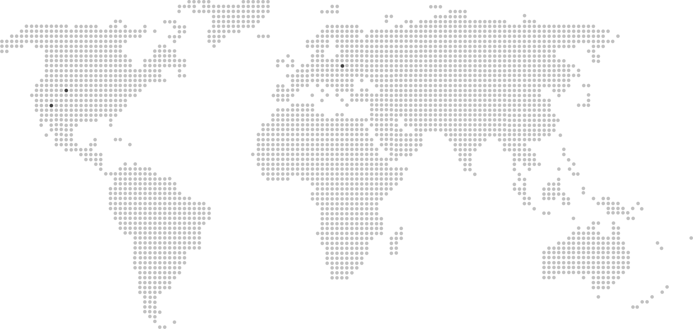
United Kingdom
$167 840
 | Egypt | USA | Russia | United Kingdom | Canada | Brazil
 | 31% | 17% | 16% | 14% | 11% | 11%
Financial Statistics
$1 169 400
Brazil
Canada
Egypt
Russia
United Kingdom
126472
10,82%
125960
10,77%
364236
31,15%
187412
16,03%
167840
14,35%
USA
197480
16,89%
▪
▪
▪
▪
▪
▪
Canada
$125 960
•
•
•
•
Russia
$187 412
•
•
•
•
•
•
•
•
•
•
•
•
•
•
•
•
•
•
•
•
•
•
•
•
•
•
•
•
•
•
•
•
•
•
•
•
•
•
•
•
•
•
•
•
•
•
•
•
•
•
•
•
•
•
•
•
•
•
•
•
•
•
•
•
•
•
•
•
•
•
•
USA
$197 480
•
•
•
•
•
•
•
•
•
•
•
•
•
•
•
•
•
•
•
•
•
•
•
•
•
•
•
•
•
•
•
•
•
•
•
•
•
•
•
•
•
•
•
•
•
•
•
•
•
Egypt
$364 236
•

Brazil
$126 472
•
•
•
•
•
•
•
•
•
•
•
•
•
•
•
•
•
•
•
•
•
•
•
•
•
•
•
•
 |  |  | X&Y
Remaining % | 34% | 0 | 1
Actual | 66% | 0.83341615916 | -0.55264591345

66%
 | 22.80% | 77.20%

Sales Percentage Achived
Payroll Taxes
9,20%
$107 584,80

Sales Process
Income Sources
Geographically
Sales Process
Project Status

Project Status
Income Sources
Geographically
Sales Process
Project Status

